Guidance
Guidance

PR24 Business Plan Tables
Mapping Tool
PR24 Financial Model

 | Taking inputs from the Business plan tables to the Financial model

 | The 'Mapping' sheet is a copy of the Financial models company inputs section on the Input sheet. The mapping sheet contains links
 | to the business plan tables to prepopulate the inputs on the appropriate lines and corresponding years.
 | The mapping tool will only populate inputs for years that data is required for the financial model.

 | In order to populate the 'Mapping' sheet companies will have to save a copy of the business plan tables locally, the links in 'Mapping' will need to be
 | updated to this new saved version. For instructions on how update the links please see edit links instructions below.

 | Edit links

 | To update the links to the Business plan tables to local copies of the files users can use excels edit links function.
 | Users should first save a copy of the Business plan tables locally before opening the mapping tool. Once the mapping tool is
 | open the user can use the edit links function.

 | When clicking on edit links the following window will appear.

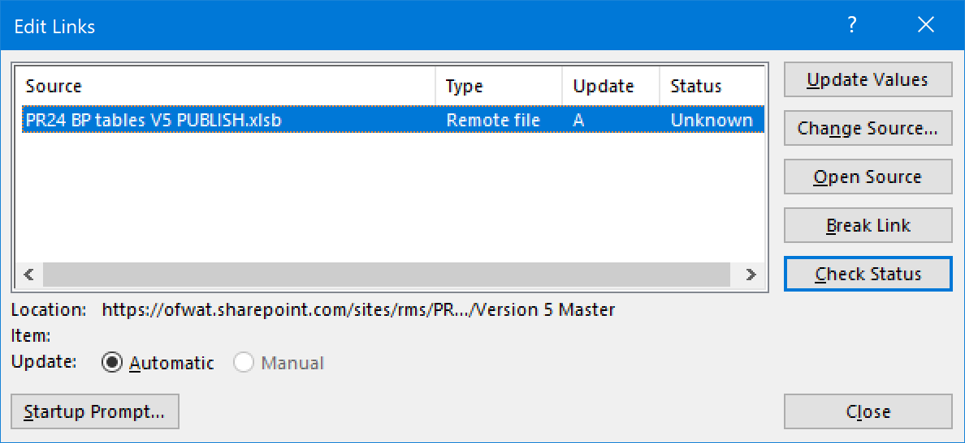

 | Users should then click on a source document before clicking the change source button. This will allow users to update all the links to that file into
 | the new local versions.

 | More information on using edit links can be found on the office support page at the link below.
 | https://support.microsoft.com/en-us/office/fix-broken-links-to-data

